Sheet1
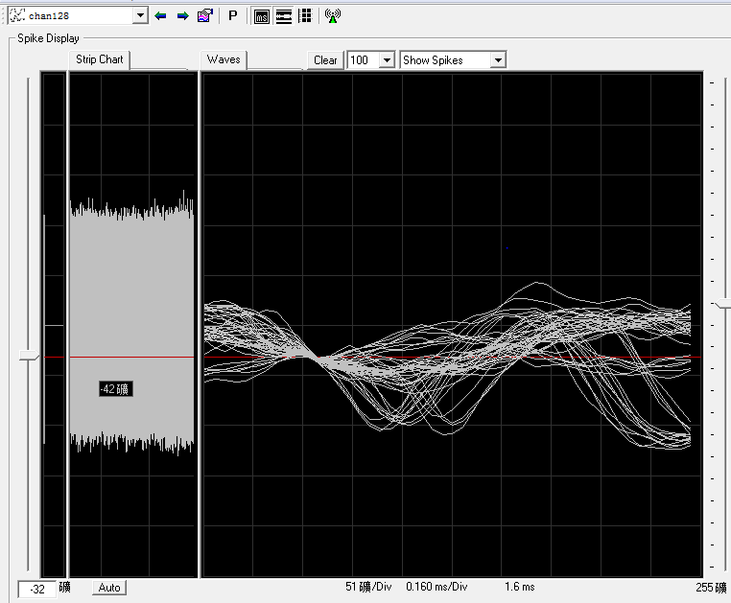
Subject: |  |  | Omega |  |  |  |  |  |  | Date: |  |  |  | 2021.04.12
 |  | M |  |  |  |  |  |  |  |  |  |  |  |  | L

 |  | 1 | 2 | 3 | 4 | 5 | 6 | 7 | 8 | 9 | 10 | 11 | 12 | 13 | 14 | 15 |  |  | BlackRock | 1 | 2 | 3 | 4 | 5 | 6 | 7 | 8 | 9 | 10 | 11 | 12 | 13 | 14 | 15
A | 1 | 0 | 0 | 28 | 29 | 28 | 29 | 31.5 | 34 | 31 1/4 | 30 | 26 |  |  |  |  | 1 |  | 1 | 160 | 152 | 144 | 135 | 126 | 116 | 106 | 95 | 84 | 72 | 60 |  |  |  |  | 1
 | 2 | 0 | 0 | 58 | 112 | 84 | 86.5 | 64.75 | 67.5 | 67 | 44 | 41 | 27 |  |  |  | 2 |  | 2 | 159 | 151 | 143 | 134 | 125 | 115 | 105 | 94 | 83 | 71 | 59 | 47 |  |  |  | 2
 | 3 | 0 | 0 | 60.75 | 60.75 | 55 | 65.75 | 61 | 54 | 66.5 | 71.25 | 73 | 43 | 23 2/4 |  |  | 3 |  | 3 | 158 | 150 | 142 | 133 | 124 | 114 | 104 | 93 | 82 | 70 | 58 | 46 | 35 |  |  | 3
 | 4 | 0 | 0 | 59 | 80 | 65 | 71 | 70.5 | 66 | 98 | 67 | 69 | 75.75 | 66 | 29 1/4 |  | 4 |  | 4 | 157 | 149 | 141 | 132 | 123 | 113 | 103 | 92 | 81 | 69 | 57 | 45 | 34 | 23 |  | 4
 | 5 | 0 | 0 | 65.75 | 67 | 69 | 96.75 | 74 | 72 | 71 | 69 | 60.75 | 79 | 68.5 | 32 1/4 | 30.5 | 5 |  | 5 | 156 | 148 | 140 | 131 | 122 | 112 | 102 | 91 | 80 | 68 | 56 | 44 | 33 | 22 | 12 | 5
 | 6 | 0 | 0 | 58.5 | 71 | 69.5 | 68 | 76 | 76 | 75.5 | 67 | 69 | 75 | 96.25 | 49 | 30 | 6 |  | 6 | 155 | 147 | 139 | 130 | 121 | 111 | 101 | 90 | 79 | 67 | 55 | 43 | 32 | 21 | 11 | 6
 | 7 | 0 | 0 | 62 | 65 | 65 | 81 | 83.25 | 77.75 | 74 | 70 | 59.5 | 68 | 78 | 44 | 31 | 7 |  | 7 | 154 | 146 | 138 | 129 | 120 | 110 | 100 | 89 | 78 | 66 | 54 | 42 | 31 | 20 | 10 | 7
 | 8 | 0 | 0 | 65.25 | 70 | 63 | 70 | 78.75 | 113.5 | 72 | 76 | 68.5 | 70 | 95.25 | 40 | 61.75 | 8 |  | 8 | 153 | 145 | 137 | 128 | 119 | 109 | 99 | 88 | 77 | 65 | 53 | 41 | 30 | 19 | 9 | 8
 | 9 |  |  | 63 | 72 | 38 | 70 | 74.75 | 77.25 | 64 | 104.75 | 75 | 111.5 | 104.5 | 55 | 74.25 | 9 |  | 9 |  |  | 136 | 127 | 118 | 108 | 98 | 87 | 76 | 64 | 52 | 40 | 29 | 18 | 8 | 9
 | 10 |  |  |  |  | 57 | 56 | 83.75 | 77 | 76 | 138 | 75 | 70 | 81 | 68 | 63.5 | 10 | ` | 10 |  |  |  |  | 117 | 107 | 97 | 86 | 75 | 63 | 51 | 39 | 28 | 17 | 7 | 10 | hard channel
 | 11 |  |  |  |  |  |  | 59 | 91.25 | 74 | 74.5 | 102.25 | 111 | 76 | 61 | 71.75 | 11 |  | 11 |  |  |  |  |  |  | 96 | 85 | 74 | 62 | 50 | 38 | 27 | 16 | 6 | 11 | easy channel
 | 12 |  |  |  |  |  |  |  |  | 64 | 103.25 | 84.75 | 70 | 76.5 | 61 | 70.25 | 12 |  | 12 |  |  |  |  |  |  |  |  | 73 | 61 | 49 | 37 | 26 | 15 | 5 | 12 | broken
P | 13 |  |  |  |  |  |  |  |  |  |  | 72 | 73 | 77 | 61 | 61 | 13 |  | 13 |  |  |  |  |  |  |  |  |  |  | 48 | 36 | 25 | 14 | 4 | 13 | have some problems, pass for some days
 | 14 |  |  |  |  |  |  |  |  |  |  |  |  | 54.5 | 61.75±2 |  | 14 |  | 14 |  |  |  |  |  |  |  |  |  |  |  |  | 24 | 13 |  | 14
 |  | A | B | C | D | E | F | G | H | I | J | K | L | M | N | O |  |  |  | A | B | C | D | E | F | G | H | I | J | K | L | M | N | O
unit: turns |  |  | (125μm/turn) |  |  |  |  | recorder: |  | Jianshu Li
recording system: |  |  | BlackRock |  |  |  |  | SU chs: |  |  | 6,31,34,44,45,83,85,94,97,100,110,114,115,117,129,130,136,137,139,142
 |  |  |  |  |  |  |  | MU chs: |  |  | 4,5,8,13,29,30,33,40,50,58,61,70,88,105,133,140
 |  |  |  |  |  |  |  | weak MU chs:
 |  |  |  |  |  |  |  | s: small |  |  | l: large
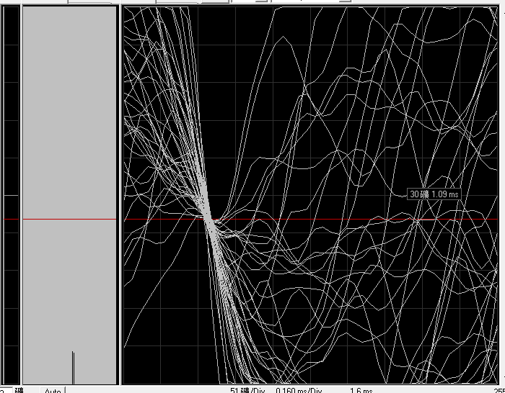
chan49 very large noise(right hand side)
port97-128电极插错了（只插了一半进去，靠近字的那一面的针脚插在连接线里，另外一排针脚没在连接线里面了）数据中97-112的数据对应ns6中113-128的数据，113-128的数据则没有记到。ns6中97-112的数据为空接的数据.Found at 15-1
chan105 mingled with noise
chan128 very large noise

更换所有头柱角件和螺丝
recorded right eye
First port without extended line
record data after penetration

